PBI Answer1
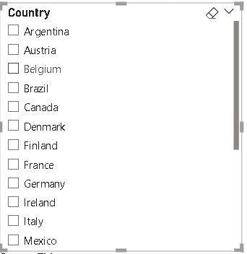
1 | How does customer distribution vary across different countries or cities? Use bar chart or map to visualize

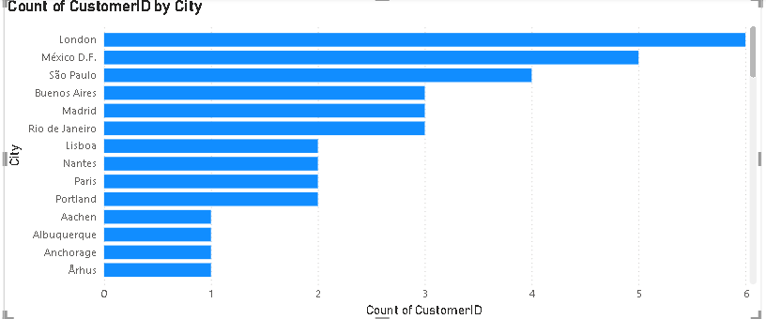
 |  | Conclusion:
 |  | Customer distribution varies significantly across countries and cities, with a higher concentration observed in urban regions and economically developed countries.

PBI Answer2
2 | What is the trend in customer orders over time? Use line chart or area chart to visualize.

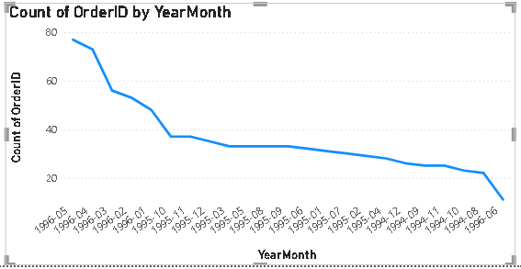
 |  | Conclusion:
 |  | The trend in customer orders over time shows a consistent upward trajectory, indicating growing customer engagement and demand

PBI Answer3
3 | What is the distribution of customers by Contact Title or Region? Use stacked bar chart or pie chart to visualize.

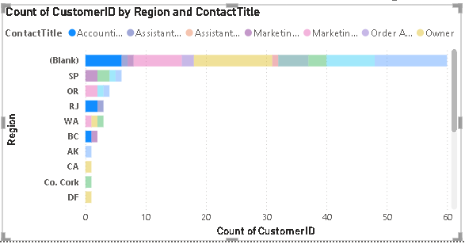
 |  | Conclusion:
 |  | The distribution of customers by Contact Title or Region reveals that certain titles, such as "Sales Representative" and "Owner," are more prevalent, suggesting key decision-makers in the customer base.

PBI Answer4
4 | How does order volume change over time? Use line chart or stacked bar chart to visualize.

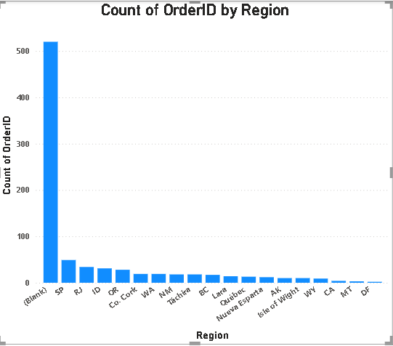
 |  | Conclusion:
 |  | Order volume shows a consistent upward trend over time, with noticeable peaks during specific periods, indicating seasonality or promotional impacts on customer purchasing behavior.

PBI Answer5
5 | What is the distribution of order values? Use histogram or box plot to visualize.

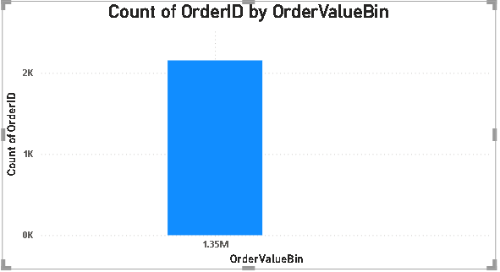
 |  | Conclusion:
 |  | Most order values are concentrated at the lower end, with a few high-value orders acting as outliers, indicating a right-skewed distribution.

PBI Answer6
6 | What is the average order shipping duration? Use bar chart or box plot to visualize.

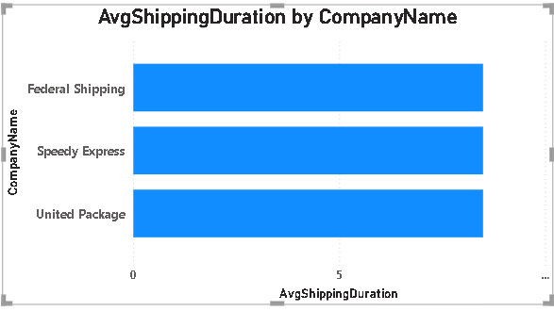
 |  | Conclusion:
 |  | The average order shipping duration is moderate overall, with some variation across orders; a few shipments take significantly longer, suggesting the presence of outliers or delays in specific cases.

PBI Answer7
7 | What is the count of employees by job title or region? Use stacked bar chart or tree map to visualize.

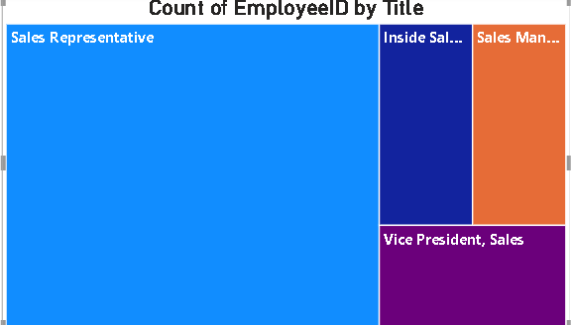
 |  | Conclusion:
 |  | The count of employees varies significantly by job title, with certain roles like Sales Representative and Manager having the highest representation. Regional distribution shows concentration in a few key areas, indicating centralized workforce deployment.

PBI Answer8
8 | What is the distribution of employee tenure? Use histogram or box plot to visualize.

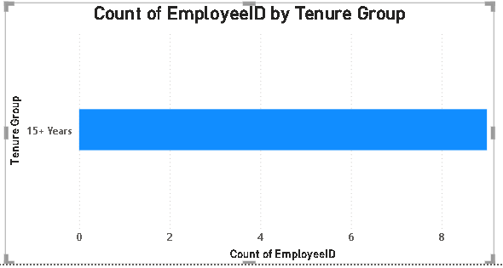
 |  | Conclusion:
 |  | The distribution of employee tenure is right-skewed, with most employees having shorter tenures and a few with significantly longer durations, indicating relatively high turnover with a small group of long-serving staff.

PBI Answer9
9 | What is the reporting structure among employees? Use org chart or hierarchical tree to visualize.

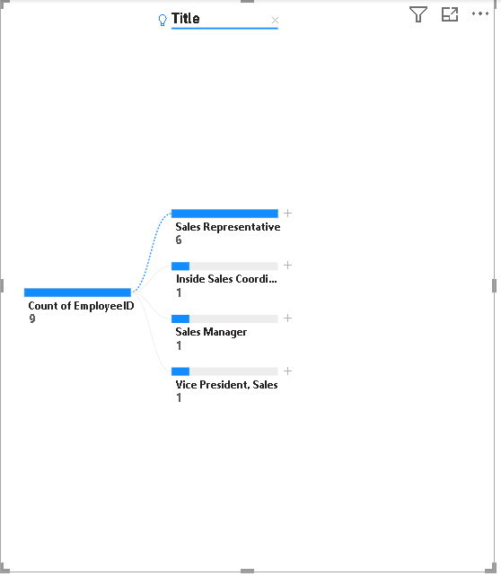
 |  | Conclusion:
 |  | The reporting structure reveals a clear hierarchical organization with a few senior managers overseeing multiple mid-level employees, who in turn manage several subordinates, indicating a well-defined chain of command.

PBI Answer10
10 | Which products have the highest sales volume? Use bar chart or tree map to visualize.

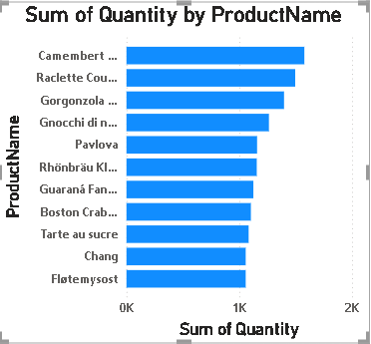
 |  | Conclusion:
 |  | A few products dominate the sales volume, with top performers significantly outperforming others, indicating a concentration of customer demand in a select group of high-selling items.

PBI Answer11
11 | How does the sales volume vary across different product categories? Use stacked bar chart or tree map to visualize.

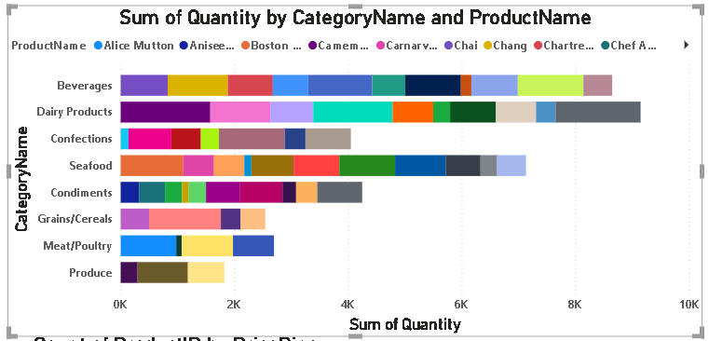
 |  | Conclusion:
 |  | Sales volume varies notably across product categories, with a few categories such as Beverages and Produce contributing the majority of sales, highlighting uneven performance among different product segments.

PBI Answer12
12 | Can we visualize the pricing distribution of products? Use box plot or histogram to visualize.


 |  | Conclusion:
 |  | The pricing distribution of products is right-skewed, with most products priced in the lower to mid range and a few premium-priced items acting as outliers.

PBI Answer13
13 | How many products are supplied by each supplier? Use bar chart or pie chart to visualize.

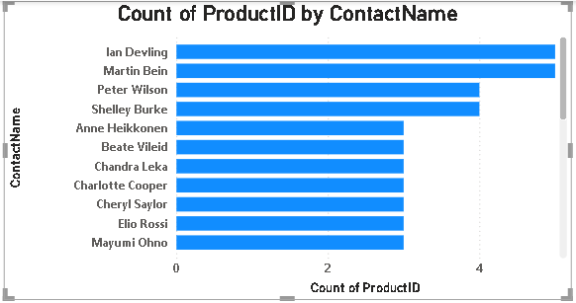
 |  | Conclusion:
 |  | Most suppliers provide a limited range of products, while a few key suppliers offer a significantly larger product assortment, indicating a concentration of product supply among a small number of vendors.

PBI Answer14
14 | How does product pricing vary across different suppliers? Use box plot or stacked column chart to visualize.

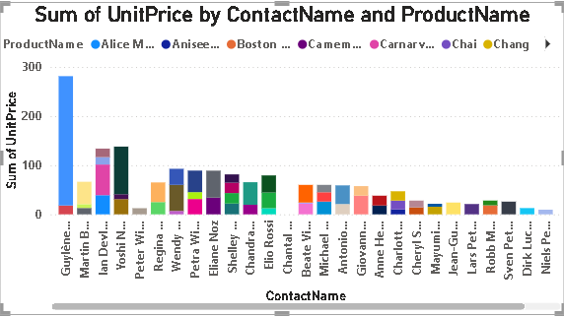
 |  | Conclusion:
 |  | Product pricing varies across suppliers, with some offering consistently higher-priced items and others focusing on lower-cost products, indicating diverse pricing strategies and market positioning among suppliers.

PBI Answer15
15 | What is the geographical distribution of suppliers? Use map chart or bubble map to visualize.


 |  | Conclusion:
 |  | The geographical distribution of suppliers is uneven, with a high concentration in specific countries or regions, indicating centralized sourcing hubs and limited global dispersion.

